Personal Monthly Budget
Create a Personal Monthly Budget in this worksheet. Helpful instructions on how to use this worksheet are in cells in this column. Arrow down to get started.
Title of this worksheet is in cell at right. Next instruction is in cell A5. |  | Personal Monthly Budget
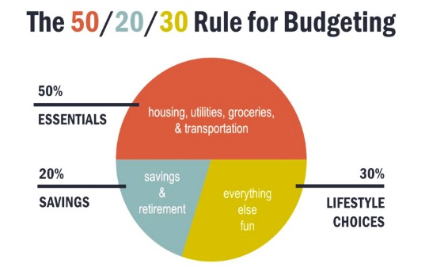
Projected Monthly Income label is in cell at right. Enter Income 1 in cell C5 and Extra Income in C6 to calculate Total monthly income in C7. Next instruction is in cell A7. | Monthly Income
 | Income 1 |  |  |  | FIXED
 | Income 2
Projected Balance is auto calculated in cell H4, Actual Balance in H6, and Difference in H8. Next instruction is in cell A9. | Income 3 |  |  |  | SAVINGS
 | Dividend
Actual Monthly Income label is in cell at right. Enter Income 1 in cell C10 and Extra Income in C11 to calculate Total monthly income in C12. Next instruction is in cell A14. | Other (internet) |  |  |  | FLEXIBLE
 | Other
 | Other |  |  |  | 50/20/30
 | Total Monthly Income

Enter details in Housing table starting in cell at right and in Entertainment table starting in cell G14. Next instruction is in cell A27. | HOUSING & UTILITIES |  | MONTHLY COST | ENTERTAINMENT | MONTHLY COST
 | Mortgage or Rent |  |  | DVDs/Online Movie Rentals
 | Phone |  |  | iTunes/Pandora/Spotify
 | Electricity |  |  | Movies
 | Gas |  |  | Concerts
 | Water and Sewer |  |  | Sporting events
 | Cable |  |  | Hulu/Netflix/Disney+
 | Waste Removal |  |  | Amazon Prime
 | Maintenance or Repairs |  |  | Audible
 | Supplies |  |  | Other (internet)
 | Other |  |  | Subtotal
 | Subtotal |  | $0.00
 |  |  |  | LOANS | MONTHLY COST
Enter details in Transportation table starting in cell at right and in Loans table starting in cell G26. Next instruction is in cell A37. | TRANSPORTATION |  | MONTHLY COST | Personal
 | Vehicle Payment |  |  | Student
 | Bus/Taxi Fare |  |  | Credit Card
 | Insurance |  |  | Credit Card
 | Licensing |  |  | Credit Card
 | Fuel |  |  | Other
 | Maintenance |  |  | Subtotal
 | Other
 | Subtotal |  |  | TAXES | MONTHLY COST
 |  |  |  | Federal
Enter details in Insurance table starting in cell at right and in Taxes table starting in cell G35. Next instruction is in cell A44. | INSURANCE |  | MONTHLY COST | Local
 | Home |  |  | Other
 | Health |  |  | Subtotal
 | Life
 | Other |  |  | SAVINGS & RETIREMENT | MONTHLY COST
 | Subtotal |  |  | Retirement Account
 |  |  |  | Investment Account
Enter details in Food table starting in cell at right and in Savings table starting in cell G42. Next instruction is in cell A50. | FOOD |  | MONTHLY COST | Other
 | Groceries |  |  | Subtotal
 | Dining out
 | Other |  |  | GIFTS AND DONATIONS | MONTHLY COST
 | Subtotal |  |  | Charity 1
 |  |  |  | Charity 2
Enter details in Pets table starting in cell at right and in Gifts table starting in cell G48. Next instruction is in cell A58. | PETS |  | MONTHLY COST | Charity 3
 | Food |  |  | Subtotal
 | Medical
 | Grooming |  |  | LEGAL | MONTHLY COST
 | Toys |  |  | Attorney
 | Other |  |  | Alimony
 | Subtotal |  |  | Payments on Lien or Judgment
 |  |  |  | Other
Enter details in Personal Care table starting in cell at right and in Legal table starting in cell G54. Next instruction is in cell A61. | PERSONAL CARE |  | MONTHLY COST | Subtotal
 | Medical
 | Dry Cleaning |  |  | Total Monthly Cost:
 | Health Club
 | Organization Dues or Fees |  |  | Total Monthly Savings:
 | Other
 | Subtotal

